RandomForestClassification(RFC)
RANDOM FOREST CLASSIFICATION

Difference in Random Forest & Decision Tree's Hyper Parameter RANDOM FOREST is basically ensemble of Multiple Decision Trees That's why all hyper parameters in Random Forces is identical to Decision Trees 's Hyper Parameters EXCEPT Following Hyper Parameters. →1.No of Estimators →2. Feature in Subset →3.Bootstrapping →4.Out of Bag Error

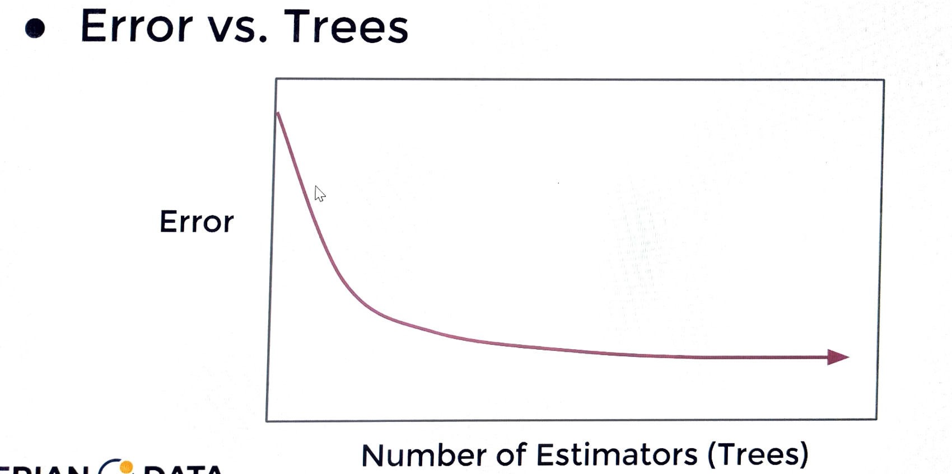 RANDOM FOREST HYPER PARAMETERS 1. No of Estimators--> MEANING --> How Many Decision Trees to use total in forest <-->How To choose Number of Trees? →Reasonable Default Value:100 →Publication Suggest 64-128 Trees →Cross Validate a grid search of trees. →Plot Error versus number of trees.(Similiar to elbow method of KNN) →You will Notice Diminishing error reduction after some (n) trees.

2. No of Features--> <-->How many features to include in each subset at the time of split. -->Original Publication suggested subset of log2(N+1) random features in subset given a set of N total features. -->Current Suggested convention is sqrt(N) in the subset given N features. -->Later suggestions by Breiman Indicated N/3 may be more suitable for regression tasks , typically larger than sqrt(N). -->ISLR indicated this should be treated as a tuning parameter , with sqrt(N) as a goos starting point. 3.Bootstrap Samples-->true(default) <-->Allow For Bootstrap Sampling (Random Sampling With Replacement) of each Training Subset of Features. -->To Further Differentiate Tree ,Bootstraping is another hyper parameter mean to reduce correlation between trees, since trees are then trained on different subset of feature colummns & data rows. <-->This results in two randomized training components. ---> Subset of Features Used. ---> Bootstrapped rows of data. 4.Out of Bag Error-->False(default) <-->Calculate OOB error during training? -->If we performed bootstraping when building out trees , this means that for certain trees, certain rows of data were not used for training that data become test data & We can actually calculate it's error on this data that it's never seen before. --> Definition for OOB Error --> Not used for constructing some trees. -->We could use these to get performance test metrics(Like MSE,RMSE) on trees that did not use these rows.

Random Forest Regression(RFR)
RANDOM FOREST REGRESSION

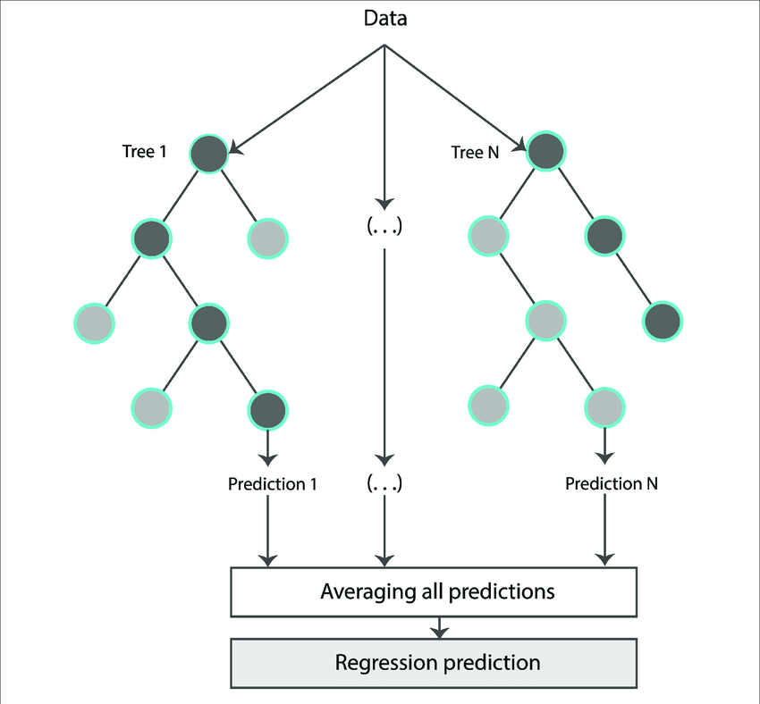 Definition of Random Forest Regression -->Random Forest Regression is a supervised learning algorithm that uses ensemble(Creation of Multiple Decision Trees) learning method for regression. Ensemble learning method is a technique that combines predictions from multiple machine learning algorithms to make a more accurate prediction than a single model.

1.One Hyper Parameter of RFR (Random Forest Regression) which is Quite Different against Random Forest Classification (RFC) Rest assured same & That is Criterion (D/W Between RFC (Random Forest Classification) & Random Forest Regression (RFR). A.Random Forest Classification

B. RFR (Random Forest Regression)

1.One Hyper Parameter of RFR (Random Forest Regression) which is Quite Different against Random Forest Classification (RFC) Rest assured same. A. --> criterion{“squared_error”, “absolute_error”, “poisson”}, default=”squared_error” The function to measure the quality of a split. Supported criteria are “squared_error” for the mean squared error, which is equal to variance reduction as feature selection criterion, “absolute_error” for the mean absolute error, and “poisson” which uses reduction in Poisson deviance to find splits. Training using “absolute_error” is significantly slower than when using “squared_error”. LINK PL SEE SCIKIT LEARN New in version 0.18: Mean Absolute Error (MAE) criterion. New in version 1.0: Poisson criterion. Deprecated since version 1.0: Criterion “mse” was deprecated in v1.0 and will be removed in version 1.2. Use criterion="squared_error" which is equivalent. Deprecated since version 1.0: Criterion “mae” was deprecated in v1.0 and will be removed in version 1.2. Use criterion="absolute_error" which is equivalent.

1. Squared Error-->

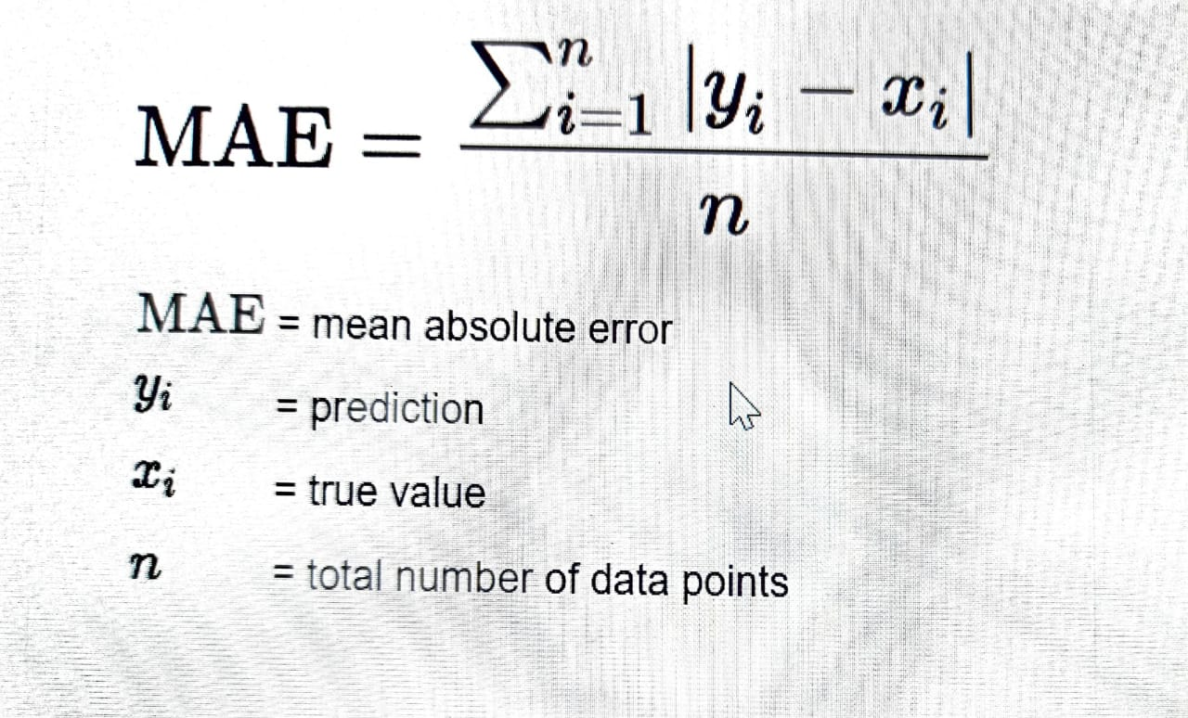 2.Absolute Error-->

3.POISSON DISTRIBUTION-->

